Given Data Example
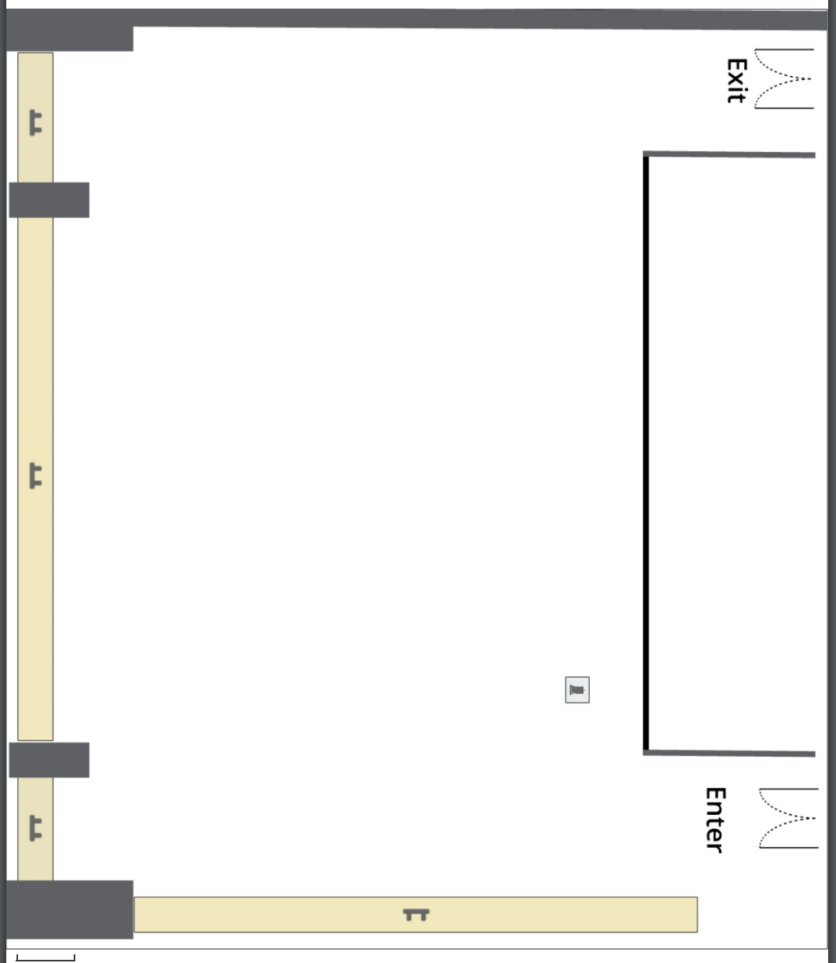
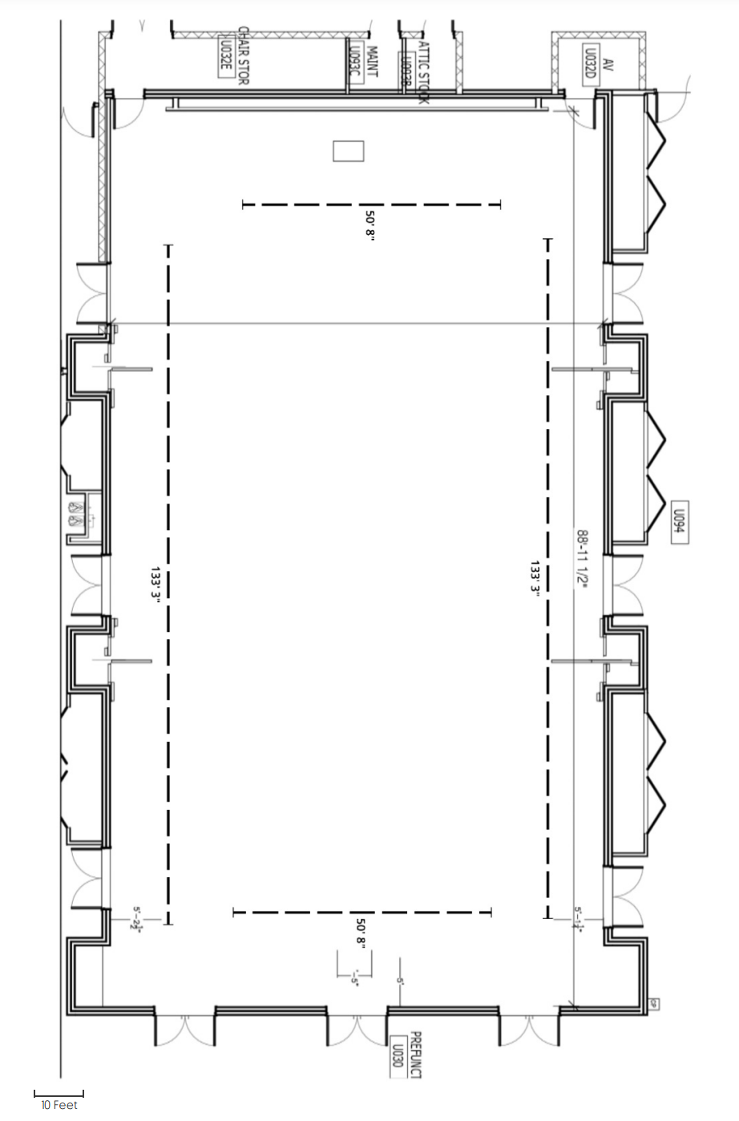
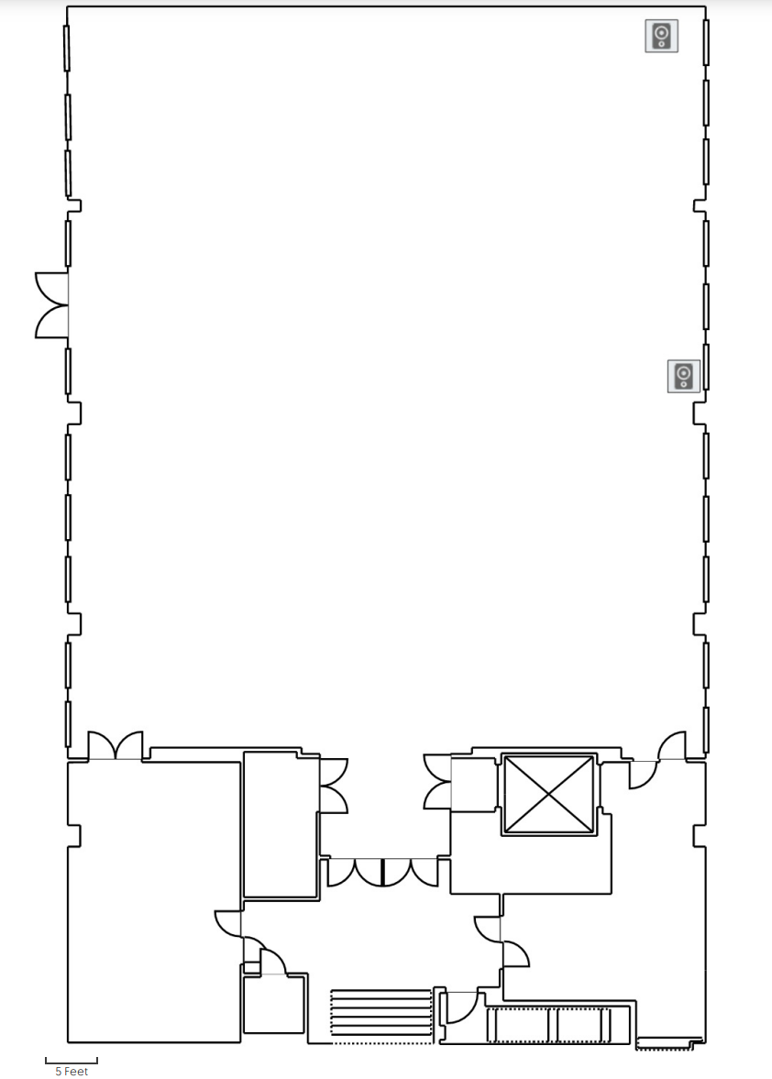
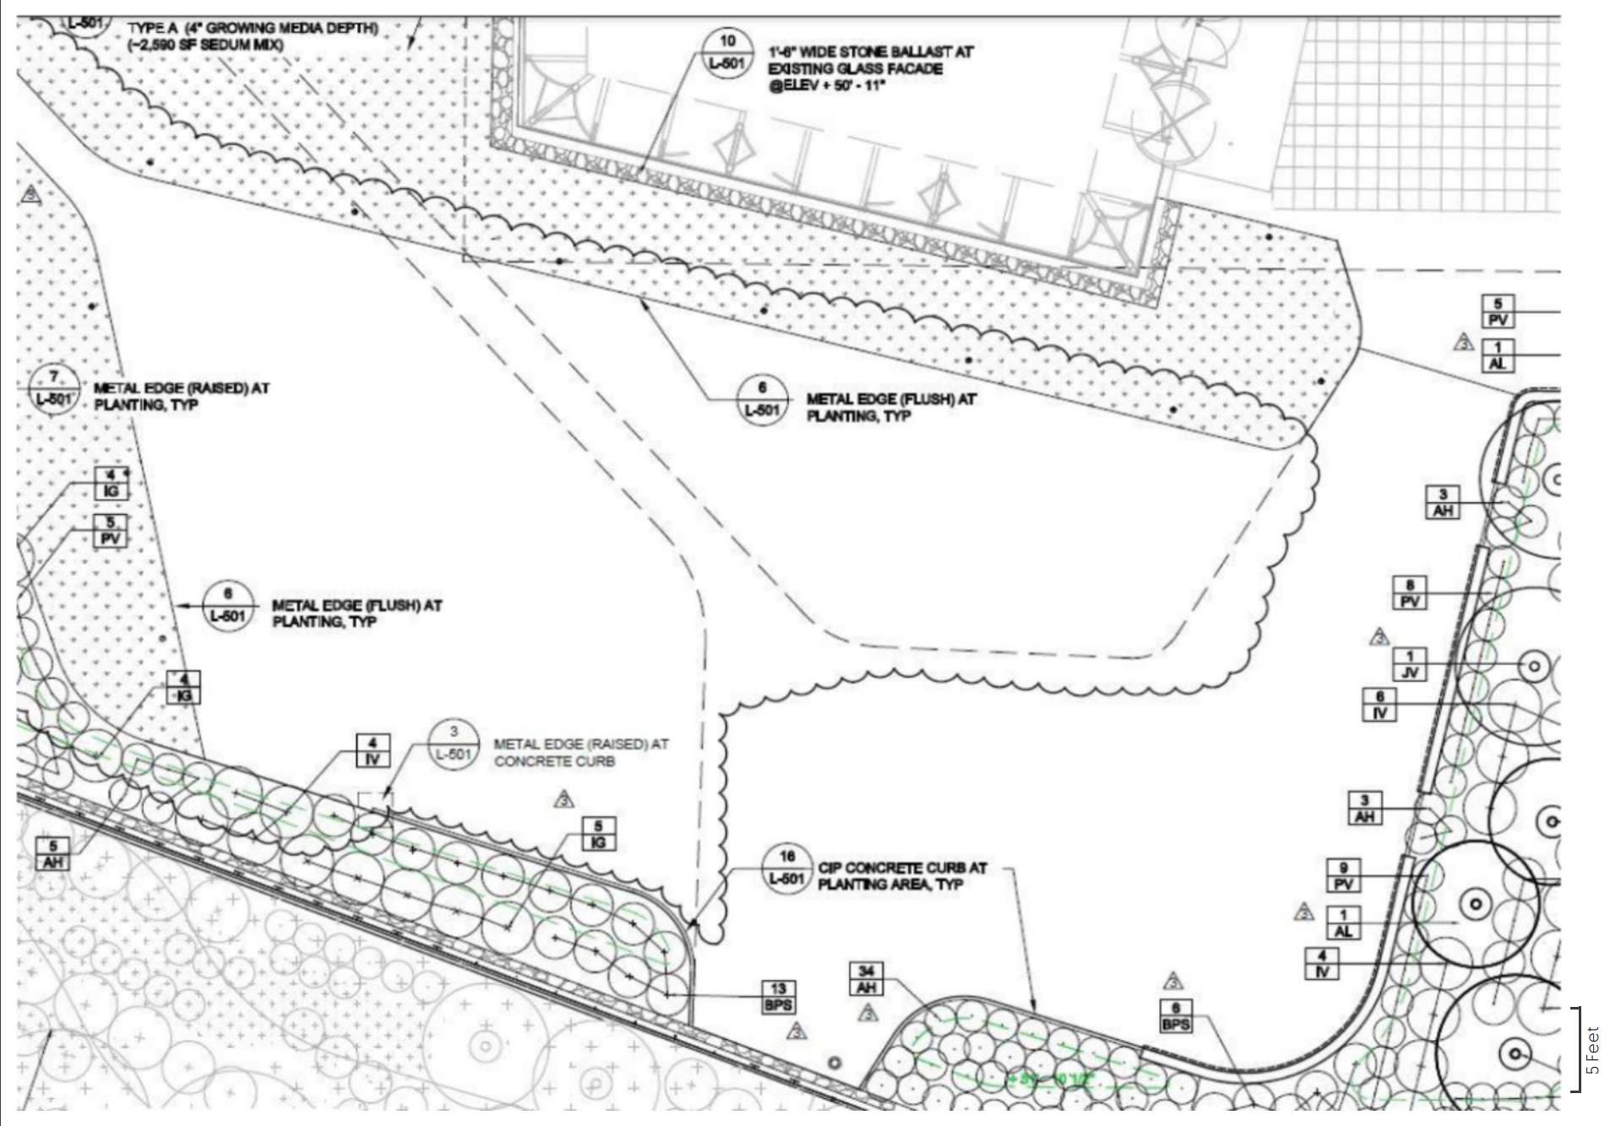

 |  |  |  |  |  | Bissinger | Schaefer | Babbio East Patio
Standard Table Sizes |  |  | Rooms | Capacity | Floor Area
6 ft Rectangle | Length | 6 | Bissinger | 200 | 3,990
 | Width | 2.42 | Babbio Atrium | 100 | 1,537
4 ft Circular | Length | 4.00 | GN 103 | 30 | 1,000
 | Width | 4 | Schaefer Lawn | 500 | 11,000
 |  |  | Walker Gym | 300 | 7,128
 |  |  | UCC TechFlex ABC | 1,000 | 10,000
 |  |  | Babbio West Patio | 150 | 5880
 |  |  | Babbio East Patio | 200 | 6344
 |  |  | Canavan | 500 | 3990

 |  |  |  |  |  | Babbio Atrium | Walker Gym
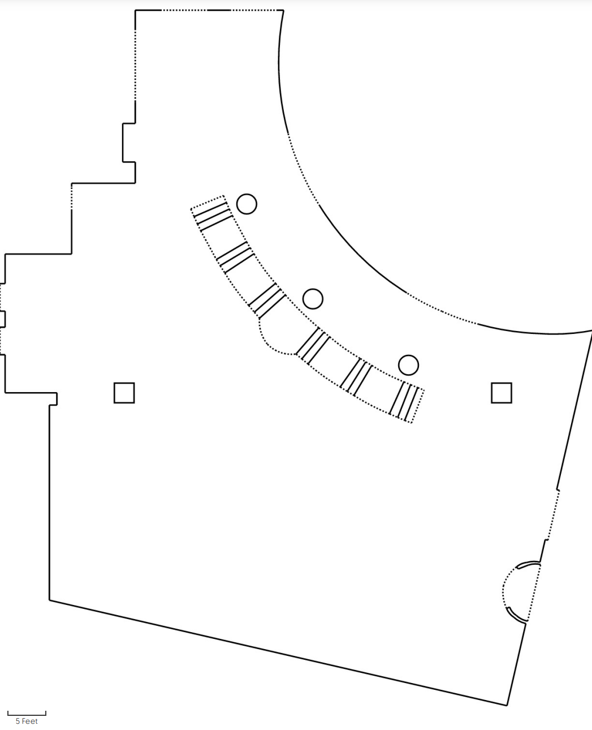
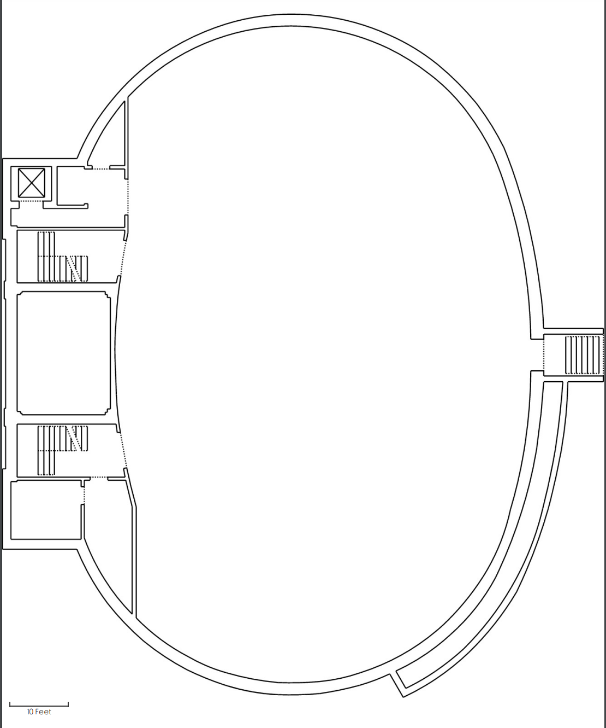

 |  |  |  |  |  | GN 103 | UCC Techflex

Input
How many people do you expect to seat?
 | 60

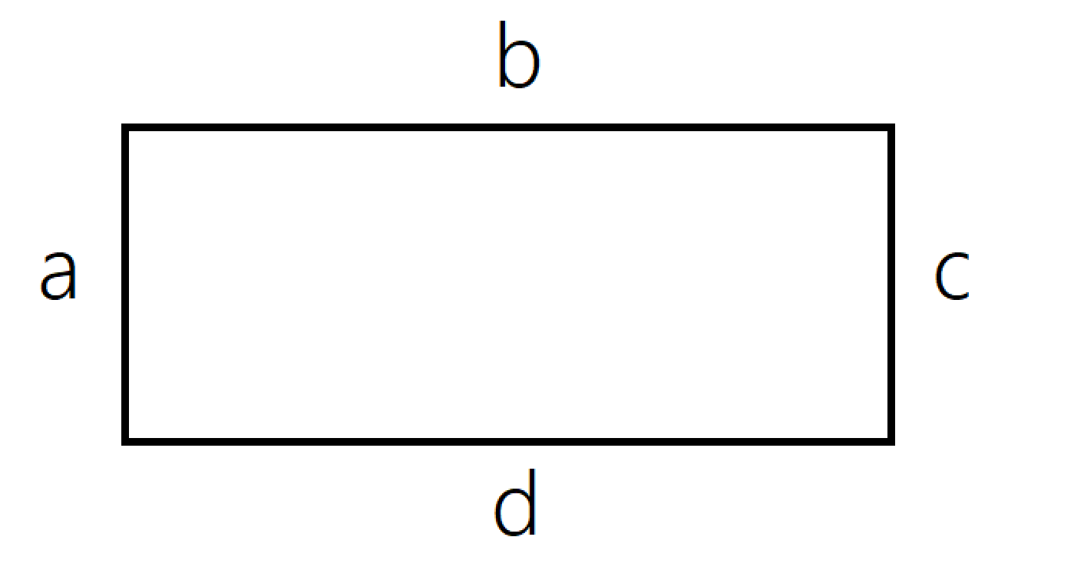
Where would you like to hold your event? If it doesn't matter, check all options
 | Locations | Yes/No | Insert the dimensions and names of your tables.
1 | Bissinger | TRUE | Table Name | Table Name Input | What size are your tables (in feet)
2 | Babbio Atrium | TRUE | Table Type 1 | Rectangle | Length | 6.00
3 | GN 103 | TRUE |  |  | Width | 2.42
4 | Schaefer Lawn | TRUE | Table Type 2 | Circular | Length | 4.00
5 | Walker Gym | TRUE |  |  | Width | 4.00
6 | UCC TechFlex ABC | TRUE
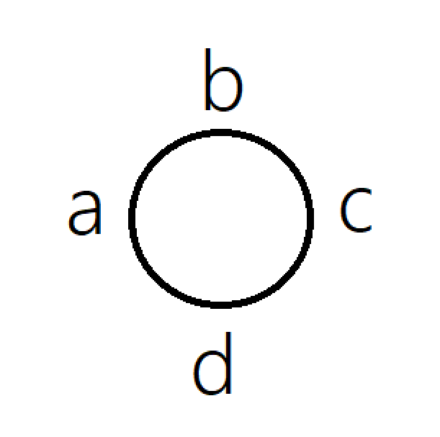
7 | Babbio West Patio | TRUE | How many tables would you like to use? - Put 0 if you would like none.
8 | Babbio East Patio | TRUE | Rectangle | 5 | Circular | 40
9 | Canavan | TRUE
10 |  | FALSE | How much space would you like in between the tables (Side a)? Enter value in feet
11 |  | FALSE | 5
12 |  | FALSE | How much space would you like in between the tables (Side b)? Enter value in feet
13 |  | FALSE | 5
14 |  | FALSE | How much space would you like in between the tables (Side c)? Enter value in feet
15 |  | FALSE | 5
16 |  | FALSE | How much space would you like in between the tables (Side d)? Enter value in feet
17 |  | FALSE | 5
18 |  | FALSE
19 |  | FALSE
20 |  | FALSE

